Sheet1
QuickAddCollection
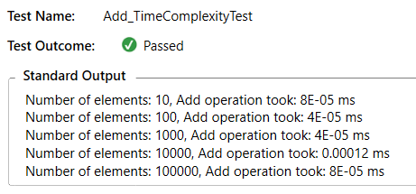

QuickAddCollection
Elements Number | Add | Remove
10 | 0.00008 | 0.00028
100 | 0.00004 | 0.00116
1000 | 0.00004 | 0.01134
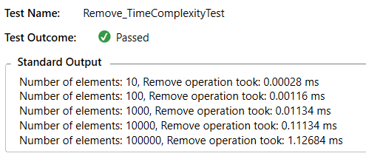
10000 | 0.00012 | 0.11134
100000 | 0.00008 | 1.12684

QuickRemoveCollection
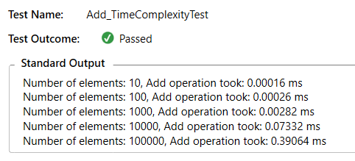

QuickRemoveCollection
Elements Number | Add | Remove
10 | 0.00016 | 0.00018
100 | 0.00026 | 0.00012
1000 | 0.00282 | 0.00018
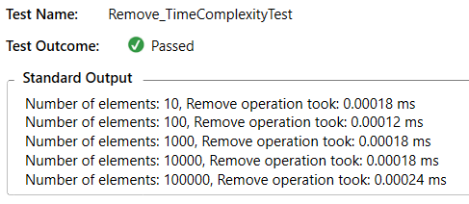
10000 | 0.07332 | 0.00018
100000 | 0.39064 | 0.00024

